Text on the ticket
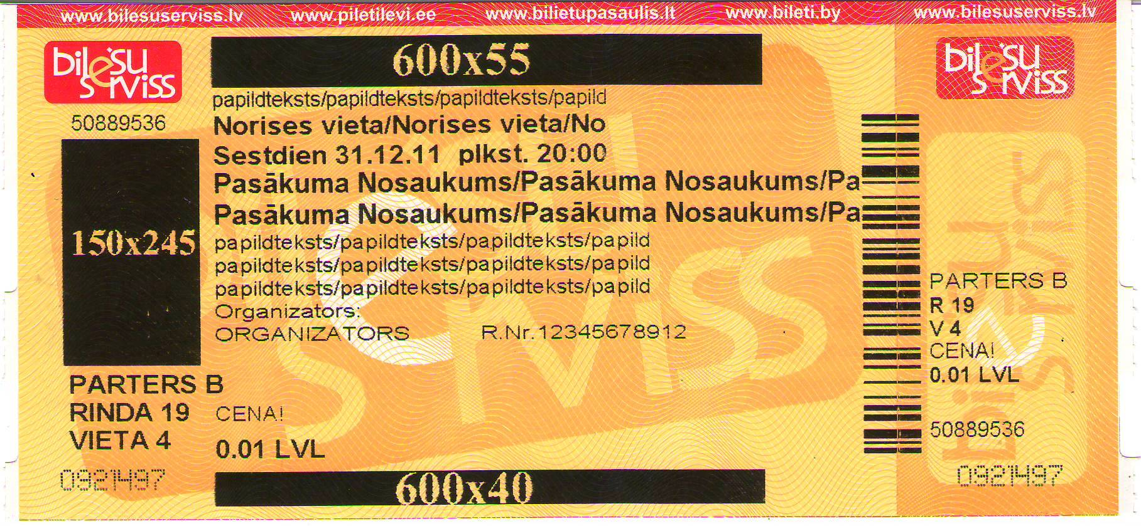
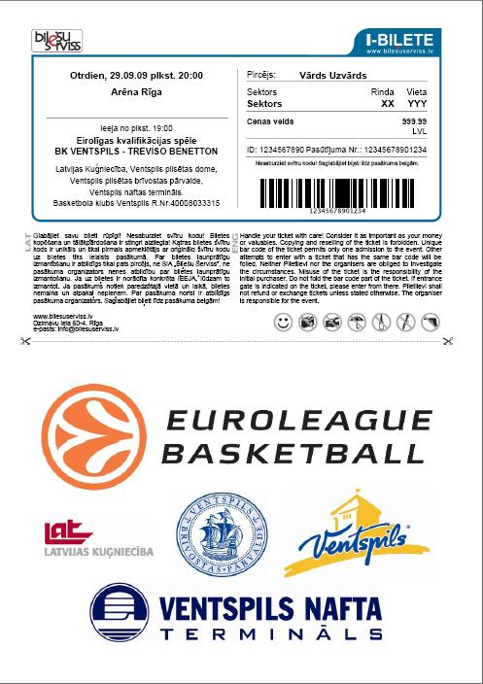
 |  | Text on the ticket

1. |  |  |  |  |  | 32 simbols ( according to your wishes )
2. |  |  |  |  |  | 30 simbols ( venue )
3. |  |  |  |  |  | 40 simbols (date and time togeather )
4. |  |  |  |  |  | 25 simbols BOLD ( name of the event )
5. |  |  |  |  |  | 25 simbols BOLD ( name of the event )
6. |  |  |  |  |  | 29 simbols ( according to yoiur wishes )
7. |  |  |  |  |  | 32 simbols ( according to your wishes )
8. |  |  |  |  |  | 32 simbols ( according to your wishes )

9. | Organizators: |  |  |  |  | 45 simbols ( name of the promoter + Reg. No. - 11 simbols )

 |  |  |  | NB!
 |  |  | 3100364456 | Use the direction pointers to move to the next cell!
Meaning:
dien - day
 | plkst. - time
 | organizators - promoter
 | R.Nr. - registration No. |  |  |  | Max logo size 190x125mm; 120dpi

